S5_Morphotype_plots
Name | Fragment | Foam | Fiber | Film | Total | Red | Green | Black | Blue | Yellow | White | Grey | Total | Small | Medium | Large | Total
Station 1 | 11 | 2 | 15 | 5 | 33 | 7 | 5 | 2 | 14 | 3 | 1 | 1 | 33 | 18 | 11 | 4 | 33
Station 2 | 25 | 13 | 20 | 12 | 70 | 8 | 16 | 10 | 10 | 19 | 5 | 2 | 70 | 37 | 24 | 9 | 70
Station 3 | 25 | 0 | 31 | 4 | 60 | 9 | 13 | 11 | 21 | 6 | 0 | 0 | 60 | 38 | 17 | 5 | 60

 | Fragment | Foam | Fiber | Film |  | Red | Green | Black | Blue | Yellow | White | Grey |  | Small | Medium | Large
Station 1 | 11 | 2 | 15 | 5 | Station 1 | 7 | 5 | 2 | 14 | 3 | 1 | 1 | Station 1 | 18 | 11 | 4
Station 2 | 25 | 13 | 20 | 12 | Station 2 | 8 | 16 | 10 | 10 | 19 | 5 | 2 | Station 2 | 37 | 24 | 9
Station 3 | 25 | 0 | 31 | 4 | Station 3 | 9 | 13 | 11 | 21 | 6 | 0 | 0 | Station 3 | 38 | 17 | 5

% | Fragment | Foam | Fiber | Film |  | Red | Green | Black | Blue | Yellow | White | Grey |  | Small | Medium | Large
Station 1 | 33.33 | 6.06 | 45.45 | 15.15 | Station 1 | 21.21 | 15.15 | 6.06 | 42.42 | 9.09 | 3.03 | 3.03 | Station 1 | 54.55 | 33.33 | 12.12
Station 2 | 35.71 | 18.57 | 28.57 | 17.14 | Station 2 | 11.43 | 22.86 | 14.29 | 14.29 | 27.14 | 7.14 | 2.86 | Station 2 | 52.86 | 34.29 | 12.86
Station 3 | 41.67 | 0.00 | 51.67 | 6.67 | Station 3 | 15.00 | 21.67 | 18.33 | 35.00 | 10.00 | 0.00 | 0.00 | Station 3 | 63.33 | 28.33 | 8.33

 | Fragment | Foam | Fiber | Film |  | Red | Green | Black | Blue | Yellow | White | Grey |  | Small | Medium | Large
Station 1 | 33.33 | 6.06 | 45.45 | 15.15 | Station 1 | 21.21 | 15.15 | 6.06 | 42.42 | 9.09 | 3.03 | 3.03 | Station 1 | 54.55 | 33.33 | 12.12
Station 2 | 35.71 | 18.57 | 28.57 | 17.14 | Station 2 | 11.43 | 22.86 | 14.29 | 14.29 | 27.14 | 7.14 | 2.86 | Station 2 | 52.86 | 34.29 | 12.86
Station 3 | 41.67 | 0.00 | 51.67 | 6.67 | Station 3 | 15.00 | 21.67 | 18.33 | 35.00 | 10.00 | 0.00 | 0.00 | Station 3 | 63.33 | 28.33 | 8.33

 | Fragment | Foam | Fiber | Film
S1 | 33.333333333 | 6.0606060606 | 45.454545455 | 15.151515152
S2 | 35.714285714 | 18.571428571 | 28.571428571 | 17.142857143
S3 | 42.372881356 | 0 | 50.847457627 | 6.7796610169
 | Red | Green | Black | Blue | Yellow | White | Grey
S1 | 21.212121212 | 15.151515152 | 6.0606060606 | 42.424242424 | 9.0909090909 | 3.0303030303 | 3.0303030303
S2 | 11.428571429 | 22.857142857 | 14.285714286 | 14.285714286 | 27.142857143 | 7.1428571429 | 2.8571428571
S3 | 15.254237288 | 22.033898305 | 18.644067797 | 33.898305085 | 10.169491525 | 0 | 0
 | Small | Medium | Large
S1 | 54.545454545 | 33.333333333 | 12.121212121
S2 | 52.857142857 | 34.285714286 | 12.857142857
S3 | 62.711864407 | 28.813559322 | 8.4745762712

S8_GPS coordinates
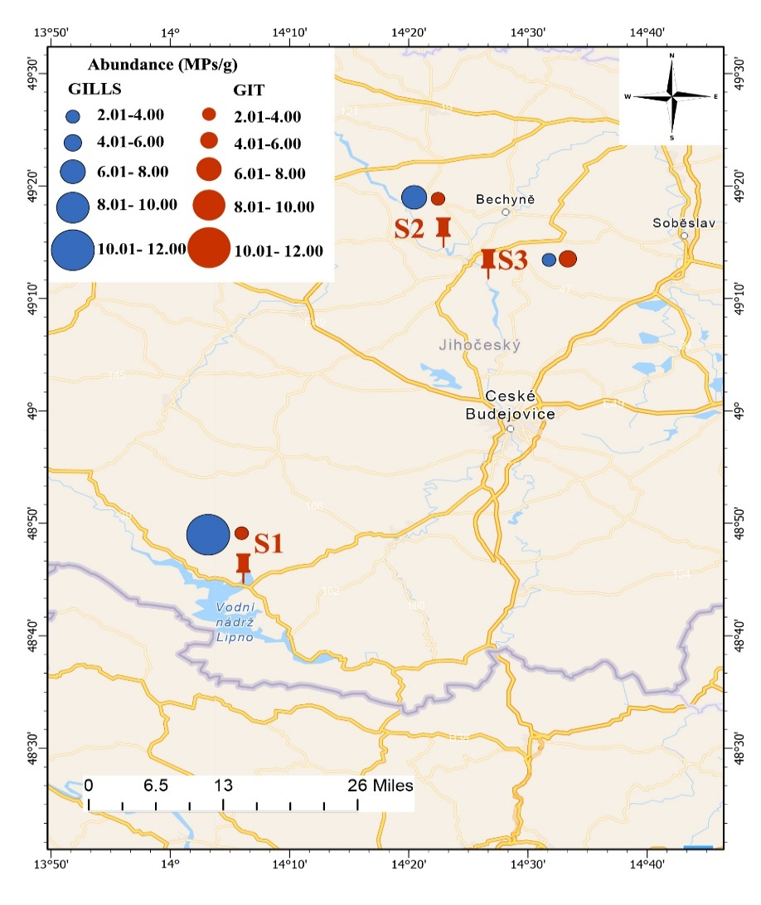
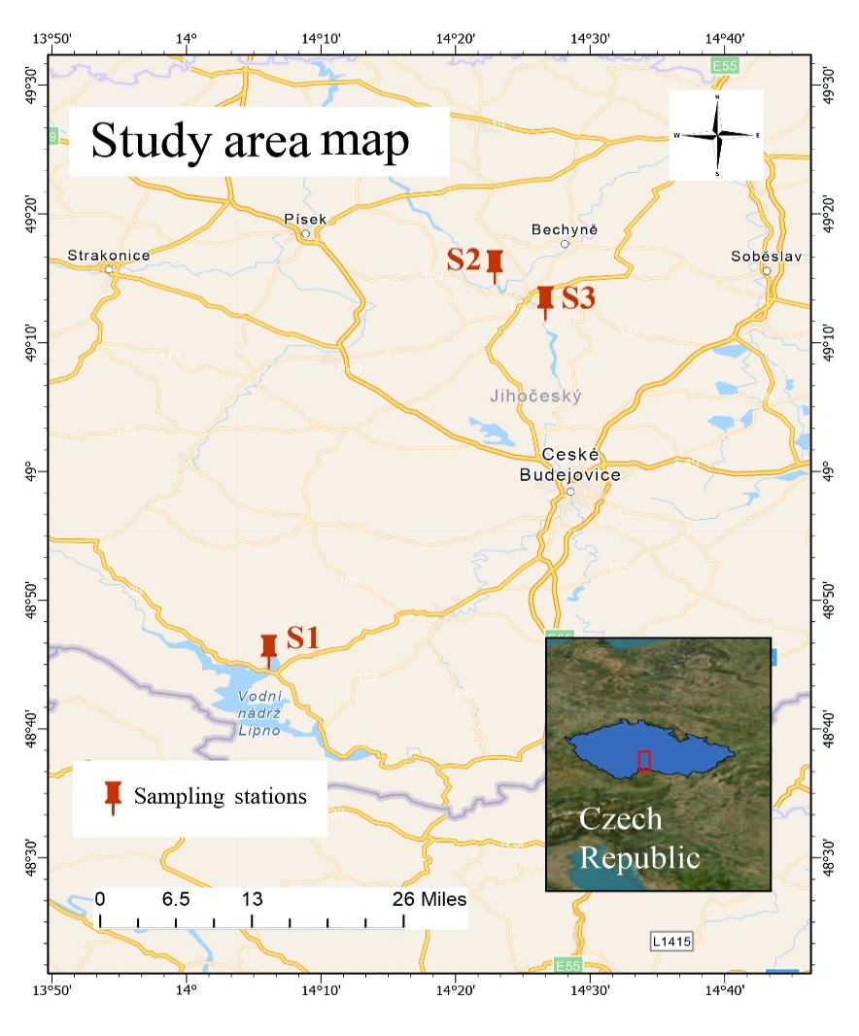
Abundance (MPs/g)
Location |  |  | Lat/long | GILLS | GIT
Station 1 | Černá v Pošumaví | Lipno reservoir | 48.743045 N, 14.102170E | 10.29 | 2.55
Station 2 | Kořensko | Vltava River | 49.2408161N, 14.3818539E | 7.44 | 2.02
Station 3 | Hněvkovice | Vltava River | 49.1940869N, 14.4445103E | 3.45 | 4.17

